Project-Details
 | Project Name | BlazeDemo-FlightBookings | 
 | URL | BlazeDemo
 | Client | BlazeDemo
 | Approved Date | 17-05-2025
 | Approval By | Thoorpati swathi

Test Cases
TEST CASES

Test Scenario ID | Test Scenario Description | Test Case ID | Test Description | Pre-Requisites | Test Steps | Test Data | Expected Result | Actual Result | Status | ScreenShots/Videos
TS-001 | Verifying Flight Search | TC-001 | Verify the HomePage UI elements | User is in on BlazeDemo application | 1. Open URL 2. Navigate to the Homepage 3. Check the UI elements appears in better way | URL | User should see the BlazeDemo flight search homepage with Dropdowns | User is redirected to the Login page instead of the Flight Search HomePage UI. | Fail | 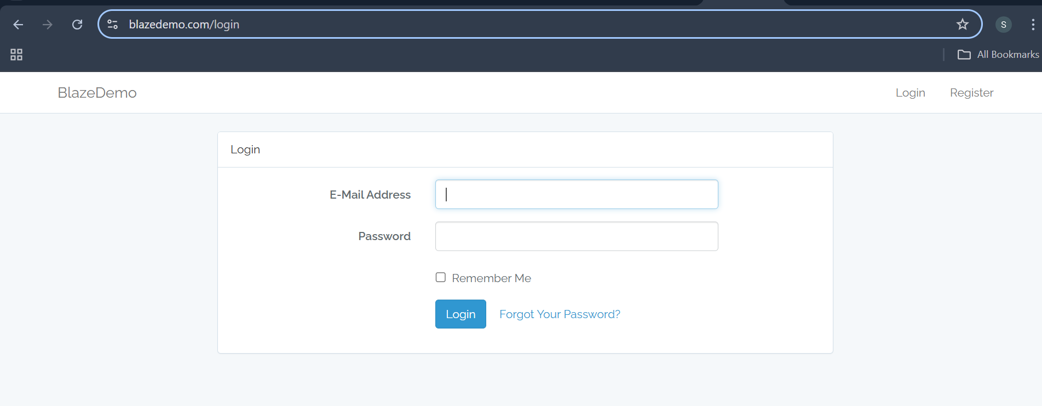
 |  | TC-002 | Verify Find Flights is visible | User is in on BlazeDemo application | 1. Open URL 2. Search for the find flights | URL | User should able to appears the find flights | Find flights option is visible | Pass
 |  | TC-003 | Verify the Find flight is iteractable | User is in on BlazeDemo application | 1. Open URL 2. Search for the find flights 3. Click on it and check whether it is clickable or not | URL | User should clickable find flights button | User able to click it | Pass
 |  | TC-004 | Verify the Find Flights redirects to the flights lists | User is in on BlazeDemo application | 1. Open URL 2. Search for the find flights 3. Click on it and check is it redirecting to lists of flights | URL | User should redirects to list of flights after clicking find flights buttton | User able to redirecting to lists of flights | Pass
 |  | TC-005 | Ensure search option in find flights | User is in on BlazeDemo application | 1. Open URL 2. Search for the search box in the flights page to check different flights | URL | User should see a search option to filter different flights | No search option is available on the flight listing page. | Fail | 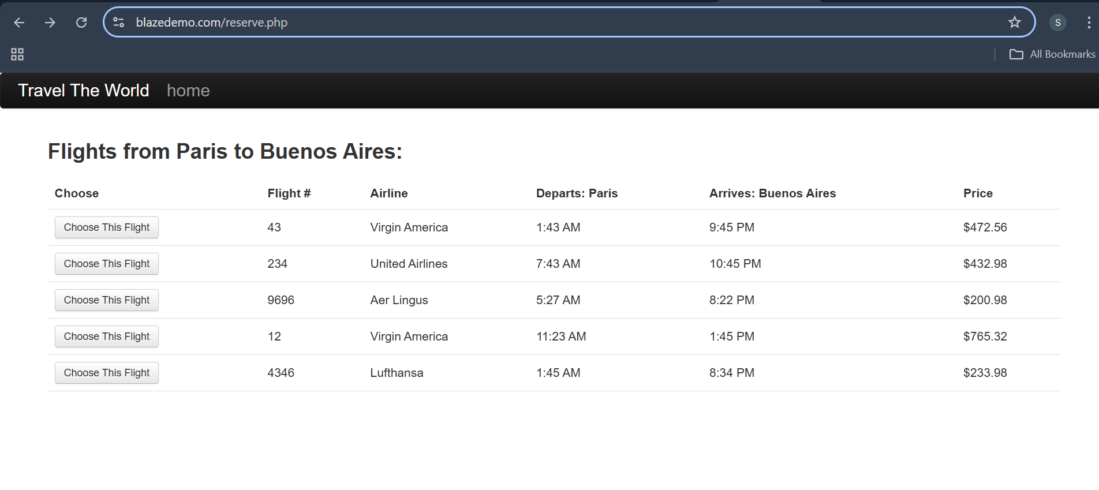
 |  | TC-006 | Validate the UI visiblity in flights section | User is in on BlazeDemo application | 1. Open URL 2. verify the UI visibility is porper or not | URL | UI visisbility should be proper | Not as much as porper , But it's okay | Pass
 |  | TC-007 | Verify application loads properly with URL | User is in on BlazeDemo application | 1. Launch browser 2. Enter BlazeDemo URL | URL | Application homepage loads | Homepage loads but redirects to login page | Fail | 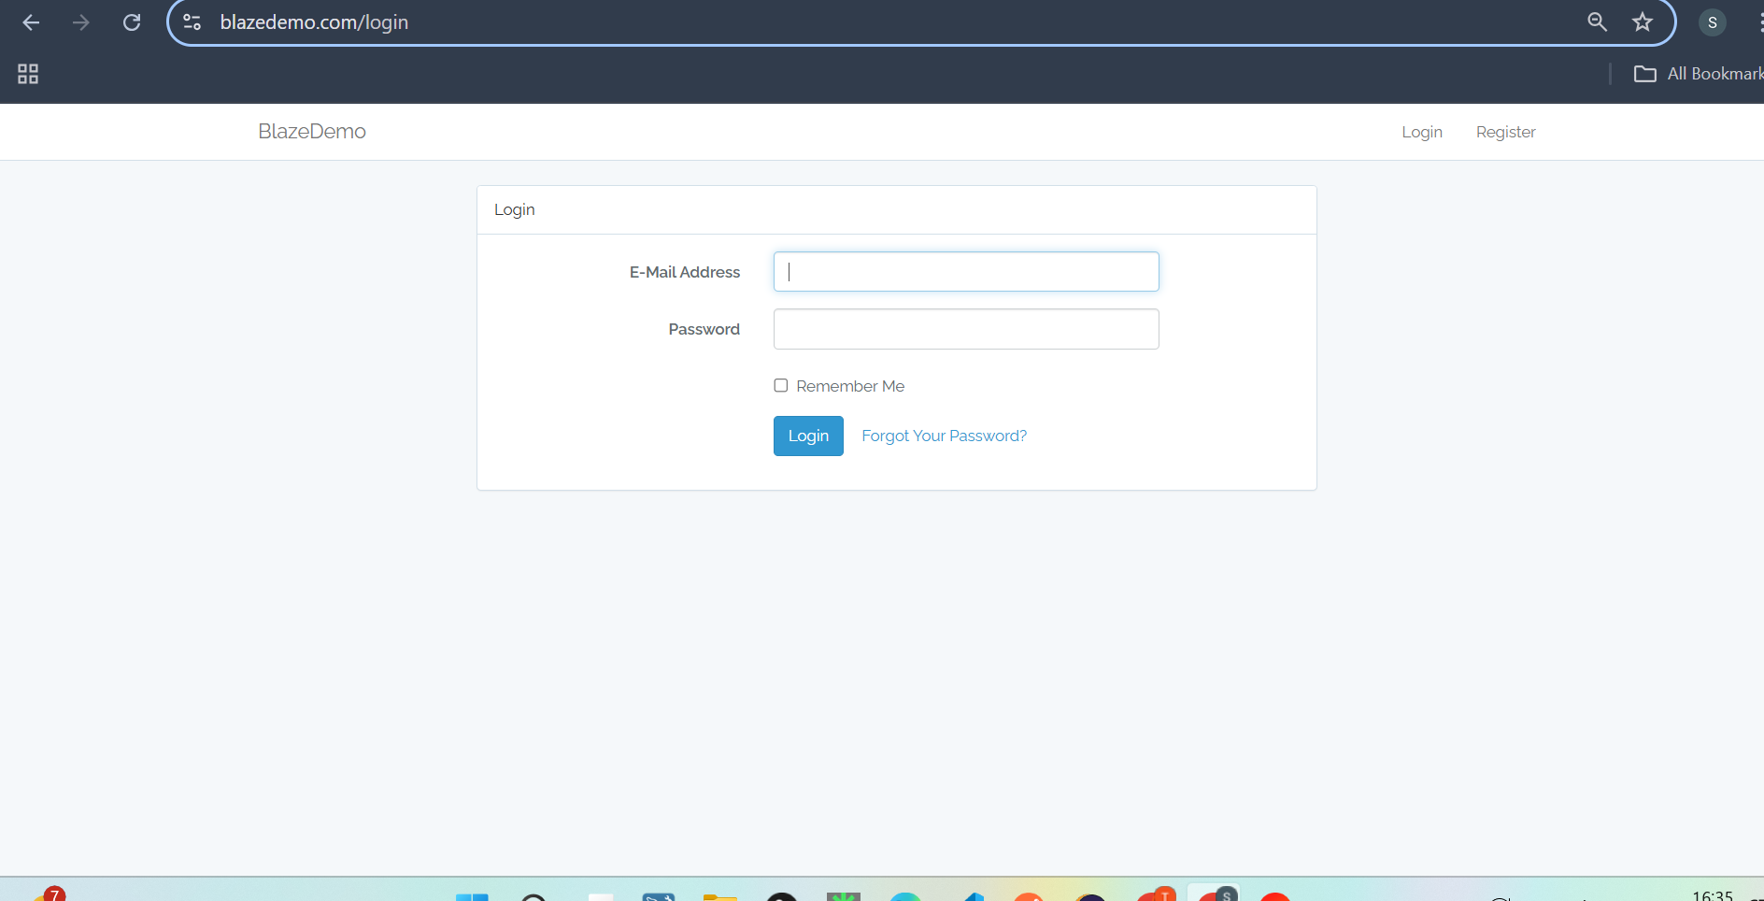
 |  | TC-008 | Verify the dropdown options are visible and interactable | User is in on BlazeDemo application | 1. Open URL 2. Navigate to the "Choose your departure city" 3. select Dropdown and check all options interactable able to select options | URL | User should select the dropdown options | User is able to select the options from dropdowns | Pass
 |  | TC-009 | Ensure displays the some message by clicking the "Travel the World" | User is in on BlazeDemo application | 1. Open URL 2. Navigate to Travel the world in header section 3. Check able to navigate or not | URL | Travel the world able to navigate from headers section and see the details and messages | As Expected user sees the welcome message and navigates to it | Pass
 |  | TC-010 | Select the default departure city and destination city and check flights of those selected cities | User is in on BlazeDemo application | 1. Open URL 2. Select the default departure city and check flights under those cities | URL | The flights must shouw under default selected cities | As Expected flights are shown | Pass
 |  | TC-011 | Select the Departure city check it, that it displays flights related to selected city | User is in on BlazeDemo application | 1. Open URL 2. Select the particualar deaprture city ad destination city 3. Check the flights are listed under the selected cities | URL | The flights displayed are not which selected cities it's showing default cities | The flights shown are which are default cities , not changing | Fail | 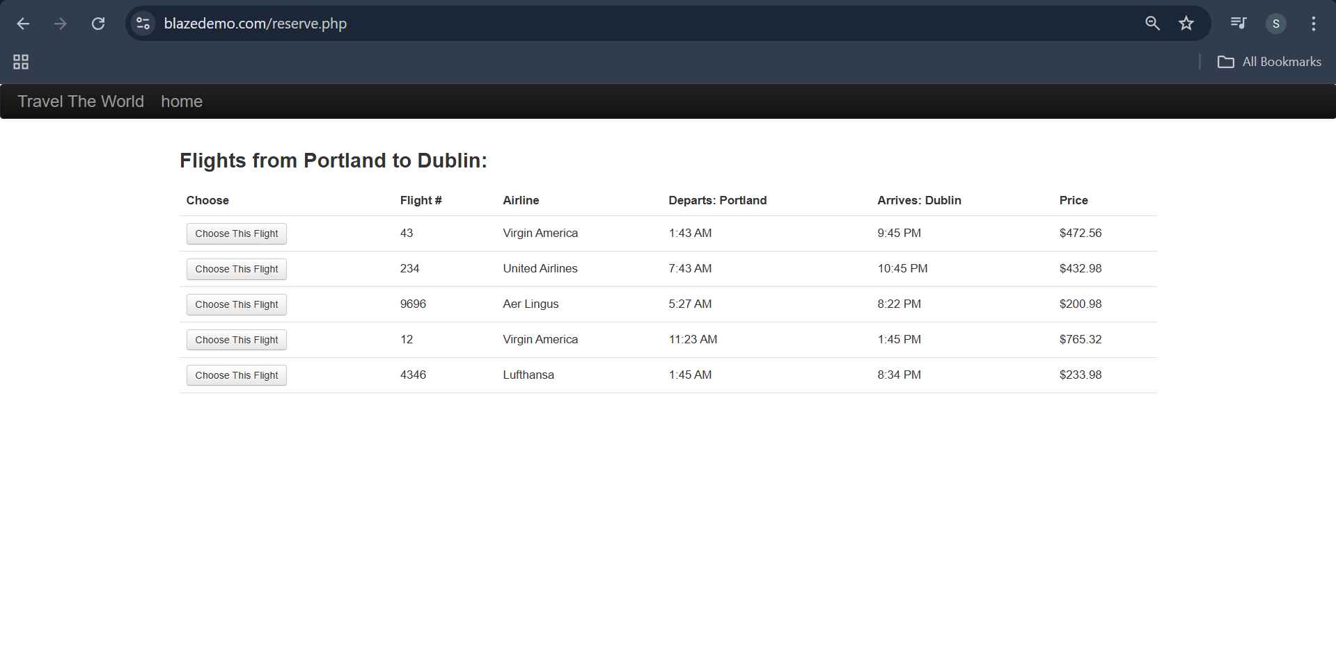
 |  | TC-012 | Validate the alignment of elements in Travel The World | User is in on BlazeDemo application | 1. Open URL 2. Navigate to Travel The World | URL | The alignments of the should be in proper | Is not proper | Fail

TS-002 | Verifying Flight Listing | TC-013 | Verify redirection from flight search to listing | User completes flight search | 1. Select cities 2. Click "Find Flights" | URL | Redirected to listing page | Ridirected to page | Pass
 |  | TC-014 | Verify flight listing UI loads properly | On flight listing page | 1. Observe page layout 2. Verify flight list is displayed | URL | All flight options are visible | As Expected visible | Pass
 |  | TC-015 | Check table column headers | On flight listing page | 1. Validate headers (Airline, Flight Number, Price, etc.) | URL | All expected columns are displayed | As Expected displayed | Pass
 |  | TC-016 | Verify presence of “Choose This Flight” buttons | On listing page | 1. Scroll through listings | URL | Each flight row has a selection button | As Expected selection buttton is available for all options | Pass
 |  | TC-017 | Validate airline names are displayed correctly | On listing page | 1. Check all airline names | URL | No empty or malformed airline names | As Expected empty | Pass
 |  | TC-018 | Validate price is listed for each flight | On listing page | 1. Observe the price column | URL | Each flight has a price listed | As Expected price is listed all fields | Pass
 |  | TC-019 | Validate the Sort flight prices manually | On listing page | 1. Observe if column sorting available | URL | Manual sort not supported (by design) or gives logical result | No manually available | Pass
 |  | TC-020 | Verify price format | On listing page | 1. Review format of prices | URL | Follows currency format | As Expected | Pass
 |  | TC-021 | Select a flight and proceed | On listing page | 1. Click “Choose This Flight” | URL | Redirected to passenger form | As Expected reidirected to form page | Pass
 |  | TC-022 | Validate browser back button functionality | After selecting a flight | 1. Click browser back | URL | Returns to listing page | As Expected returns to listing page | Pass
 |  | TC-023 | Verify all rows are clickable independently | On listing page | 1. Click each flight’s “Choose This Flight” | URL | Redirects to respective flight booking | As Expectd redirected to flight booking | Pass
 |  | TC-024 | UI alignment of listing table | On listing page | 1. Observe table layout | URL | Proper alignment maintained | As Expected alignments are proper | Pass
 |  | TC-025 | Validate page does not crash with 0 flights (simulate via dev) | Modify search response | 1. Simulate 0 results 2. Observe page | URL | Show proper message like "No flights found" | No showed message | Fail | 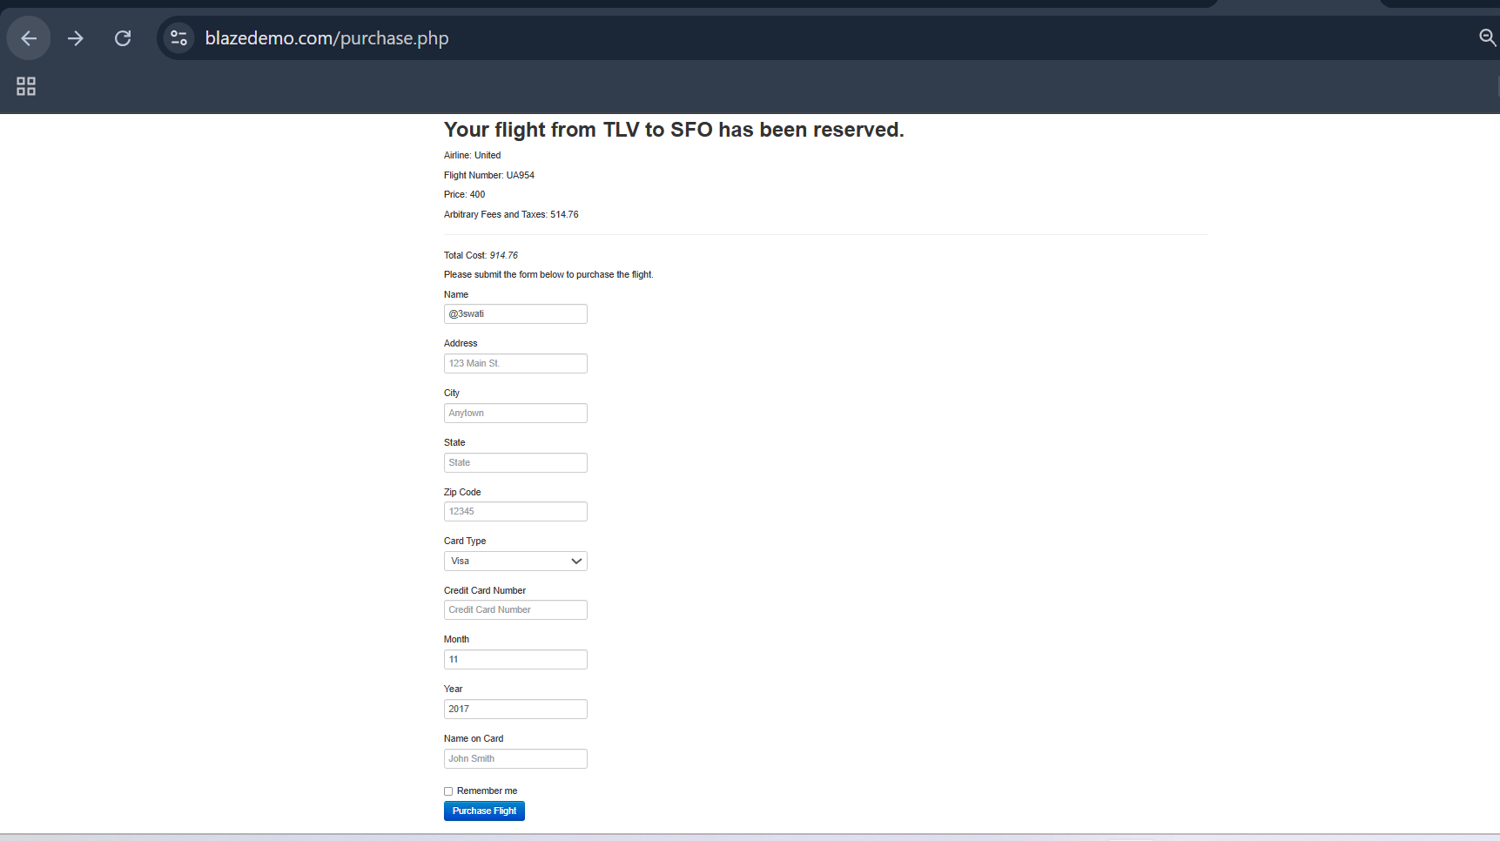
 |  | TC-026 | Attempt to proceed without clicking any button | On listing page | 1. Try clicking outside or refresh | URL | No unintended navigation | As Expected | Pass
 |  | TC-027 | Validate long wait time handling | Slow network | 1. Search with throttled internet | URL | Loader or feedback shown | No feedback is shown | Fail | 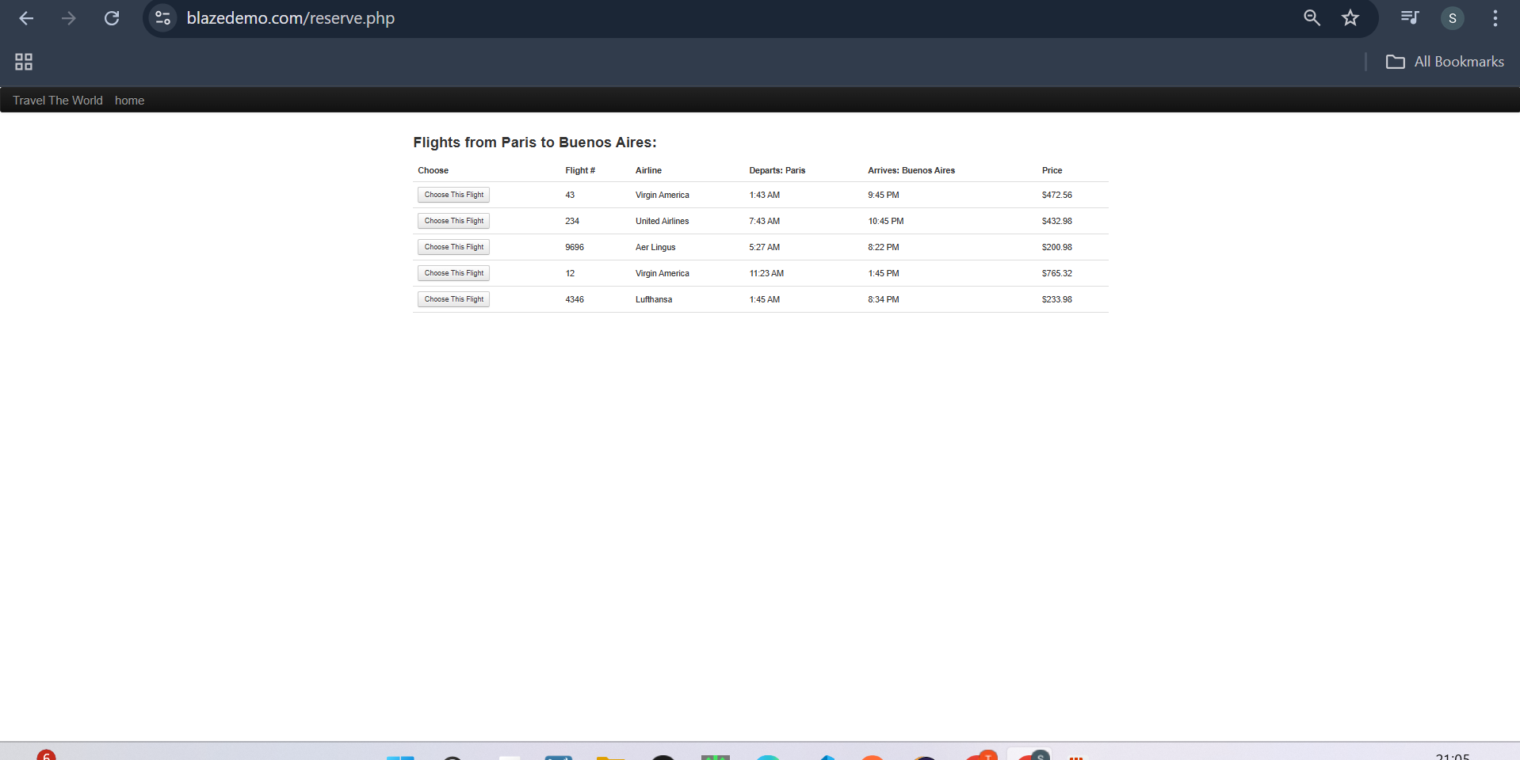

TS-003 | Verify Passenger Form (Booking) | TC-028 | Verify passenger form loads after flight selection | User selects a flight | 1. Choose flight on listing page2. Verify redirect to passenger form | URL | Passenger form page loads with fields visible | Booking confirmation page loads with booking details | Pass
 |  | TC-029 | Verify form fields present | On passenger form page | 1. Check presence of Name, Address, City, State, Zip Code, Card Number, Month, Year, Name on Card fields | URL | All mandatory fields present | All booking info matches selected flight and entered data | Pass
 |  | TC-030 | Verify all input fields accept valid input | On passenger form page | 1. Enter valid data in all fields | URL | Data accepted without error | Booking ID displayed and unique | Pass
 |  | TC-031 | Verify validation for empty mandatory fields | On passenger form page | 1. Leave mandatory fields blank2. Click “Purchase Flight” | URL | Error messages displayed for missing fields | Thank you or success message shown | Pass
 |  | TC-032 | Verify card number field accepts only numbers | On passenger form page | 1. Enter alphabets in card number field | URL | Validation error or no acceptance of alphabets | Redirected to home page | Pass
 |  | TC-033 | Verify month field accepts valid month (1-12) | On passenger form page | 1. Enter numbers outside 1-122. Submit | URL | Error message for invalid month | No duplicate booking or error message | Pass
 |  | TC-034 | Verify year field accepts valid future years | On passenger form page | 1. Enter past year2. Submit | URL | Error message for invalid year | Responsive layout and content visible | Pass
 |  | TC-035 | Verify zip code field accepts only numeric input | On passenger form page | 1. Enter alphabets in zip code field | URL | Validation error | Correct date and time displayed | Pass
 |  | TC-036 | Verify state field accepts text input | On passenger form page | 1. Enter state name | URL | Accepted without error | Correct currency format shown | Pass
 |  | TC-037 | Verify form resets on page reload | On passenger form page | 1. Enter data in fields2. Reload page | URL | Form resets, data cleared | Page loads with loading indicator | Pass
 |  | TC-038 | Verify form can be submitted successfully with valid inputs | On passenger form page | 1. Enter valid data2. Click “Purchase Flight” | URL | Redirected to booking confirmation page | Print preview opens with correct page content | Pass
 |  | TC-039 | Verify error messages are clear and user-friendly | On passenger form page | 1. Leave fields blank2. Attempt to submit | URL | Appropriate error messages shown | Email confirmation received | Pass
 |  | TC-040 | Verify input length constraints for text fields | On passenger form page | 1. Enter long strings | URL | Text fields truncate or prevent excessive input | Cancellation option present | Pass
 |  | TC-041 | Verify special characters allowed in address field | On passenger form page | 1. Enter special chars in address | URL | Accepted without errors | User logged out or session expired | Pass
 |  | TC-042 | Verify “Name on Card” matches pattern (alphabets only) | On passenger form page | 1. Enter numbers/special chars2. Submit | URL | Error message displayed | No full card numbers or CVV visible | Pass
 |  | TC-043 | Verify input trimming (no leading/trailing spaces) | On passenger form page | 1. Enter spaces before/after text | URL | Spaces trimmed or handled properly | Redirected to flight listing page | Pass
 |  | TC-044 | Verify form submission with minimum required fields | On passenger form page | 1. Enter only mandatory fields2. Submit | URL | Form submits successfully | Page loads without errors on all browsers | Pass
 |  | TC-045 | Verify form submission with maximum allowed field lengths | On passenger form page | 1. Enter maximum input size allowed2. Submit | URL | Form submits successfully | Booking details stored correctly | Pass
 |  | TC-046 | Verify tab navigation order across form fields | On passenger form page | 1. Use Tab key to navigate | URL | Logical tab order | All links/buttons work as expected | Pass
 |  | TC-047 | Verify card number field masking (password style) | On passenger form page | 1. Enter card number | URL | Characters masked or displayed securely | Error message or redirect to home | Pass
 |  | TC-048 | Validate page loads correctly on slow networks | Simulate slow network | 1. Open form | URL | Page loads with loading feedback | Total price matches expected amount | Pass
 |  | TC-049 | Verify form does not submit multiple times on repeated clicks | On passenger form page | 1. Click “Purchase Flight” multiple times quickly | URL | Only one submission processed | Booking ID remains the same | Pass
 |  | TC-050 | Verify error message for invalid card number length | On passenger form page | 1. Enter short/long card number | URL | Proper error displayed | Page content accessible | Pass
 |  | TC-051 | Verify expiration date validation (month/year combo) | On passenger form page | 1. Enter valid month, invalid year2. Submit | URL | Error message for expired card | Social media buttons visible and clickable | Pass
 |  | TC-052 | Verify browser back button works | On passenger form page | 1. Click back | URL | Returns to flight listing page | Input sanitized, no script executed | Pass
 |  | TC-053 | Verify form submission persists data on validation error | On passenger form page | 1. Enter valid/invalid data2. Submit | URL | Data remains in fields except invalid parts | Warning displayed before session expires | Pass
 |  | TC-054 | Verify payment card name field auto-capitalization (if any) | On passenger form page | 1. Enter lowercase card name | URL | Auto capitalization or user entered case preserved | Data remains consistent | Pass
 |  | TC-055 | Validate form accessibility (screen reader support) | Use screen reader | 1. Navigate form | URL | Form fields labeled and readable | Title reflects booking confirmation | Pass
 |  | TC-056 | Test form behavior with JavaScript disabled | Disable JS in browser | 1. Load form | URL | Form loads and submits with basic HTML fallback | User sees error message or redirection | Pass
 |  | TC-057 | Validate form fields accept only allowed characters | On passenger form page | 1. Enter invalid chars in text fields | URL | Invalid characters blocked or flagged | Confirmation page text updates to selected language | Pass

TS-004 | Verify Booking Confirmation | TC-058 | Verify booking confirmation page loads | Successful flight purchase | 1. Complete passenger form2. Submit purchase | URL | Booking confirmation page loads with booking details | As Expected | Pass
 |  | TC-059 | Verify booking details displayed correctly | Booking confirmation page | 1. Check flight details, passenger info, amount | URL | All booking info matches selected flight and entered data | As Expected | Pass
 |  | TC-060 | Verify presence of booking ID or confirmation number | Booking confirmation page | 1. Check for booking ID | URL | Booking ID displayed and unique | As Expected | Pass
 |  | TC-061 | Verify thank you message is displayed | Booking confirmation page | 1. Observe page text | URL | Thank you or success message shown | As Expected | Pass
 |  | TC-062 | Verify user can navigate back to home | Booking confirmation page | 1. Click “Home” or equivalent link | URL | Redirected to home page | As Expected | Pass
 |  | TC-063 | Verify user cannot resubmit the booking by refreshing page | Booking confirmation page | 1. Refresh page after booking | URL | No duplicate booking or error message | As Expected | Pass
 |  | TC-064 | Verify page layout on different screen sizes | Booking confirmation page | 1. Open on desktop, tablet, mobile | URL | Responsive layout and content visible | As Expected | Pass
 |  | TC-065 | Verify booking date/time is displayed | Booking confirmation page | 1. Check booking timestamp | URL | Correct date and time displayed | As Expected | Pass
 |  | TC-066 | Verify correct currency is shown for total price | Booking confirmation page | 1. Check total amount display | URL | Correct currency format shown | As Expected | Pass
 |  | TC-067 | Verify booking confirmation page loads under slow network | Slow network | 1. Open booking confirmation page | URL | Page loads with loading indicator | As Expected | Pass
 |  | TC-068 | Verify print functionality | Booking confirmation page | 1. Click print button or Ctrl+P | URL | Print preview opens with correct page content | As Expected | Pass
 |  | TC-069 | Verify email confirmation sent (if applicable) | Booking confirmation page | 1. Complete booking | URL | Email confirmation received | As Expected | Pass
 |  | TC-070 | Verify booking cancellation option presence (if available) | Booking confirmation page | 1. Look for cancellation link/button | URL | Cancellation option present | As Expected | Pass
 |  | TC-071 | Verify user session expires after certain period | Booking confirmation page | 1. Wait for session timeout | URL | User logged out or session expired | As Expected | Pass
 |  | TC-072 | Verify page does not expose sensitive payment info | Booking confirmation page | 1. Inspect page source | URL | No full card numbers or CVV visible | As Expected | Pass
 |  | TC-073 | Verify user can navigate to flight listing from confirmation | Booking confirmation page | 1. Click “Search Flights” or equivalent | URL | Redirected to flight listing page | As Expected | Pass
 |  | TC-074 | Verify page loads correctly on multiple browsers | Booking confirmation page | 1. Open page on Chrome, Firefox, Edge, Safari | URL | Page loads without errors on all browsers | As Expected | Pass
 |  | TC-075 | Verify booking info saved in database correctly | Backend verification | 1. Complete booking | URL | Booking details stored correctly | As Expected | Pass
 |  | TC-076 | Verify navigation links/buttons work properly | Booking confirmation page | 1. Test all buttons and links | URL | All links/buttons work as expected | As Expected | Pass
 |  | TC-077 | Verify confirmation page handles invalid URL gracefully | Invalid URL | 1. Open confirmation URL with invalid params | URL | Error message or redirect to home | As Expected | Pass
 |  | TC-078 | Verify booking total matches the flight price plus fees | Booking confirmation page | 1. Review flight price and fees2. Compare with total | URL | Total price matches expected amount | As Expected | Pass
 |  | TC-079 | Verify no duplicate booking ID generated on refresh | Booking confirmation page | 1. Refresh page after booking | URL | Booking ID remains the same | As Expected | Pass
 |  | TC-080 | Verify accessibility standards met (screen readers etc.) | Booking confirmation page | 1. Use screen reader | URL | Page content accessible | As Expected | Pass
 |  | TC-081 | Verify presence of social media share buttons (if any) | Booking confirmation page | 1. Look for social share icons | URL | Social media buttons visible and clickable | As Expected | Pass
 |  | TC-082 | Verify booking confirmation page does not allow script injection | Booking confirmation page | 1. Attempt XSS script injection | URL | Input sanitized, no script executed | As Expected | Pass
 |  | TC-083 | Verify timeout warning before session expires | Booking confirmation page | 1. Stay idle near session timeout | URL | Warning displayed before session expires | As Expected | Pass
 |  | TC-084 | Verify data is preserved if user uses browser back and forward | Booking confirmation page | 1. Use back and forward browser buttons | URL | Data remains consistent | As Expected | Pass
 |  | TC-085 | Verify page title and metadata are correct | Booking confirmation page | 1. Inspect page title and meta tags | URL | Title reflects booking confirmation | As Expected | Pass
 |  | TC-086 | Verify proper error handling if booking data is corrupted | Backend or DB error | 1. Simulate DB error or corrupted data | URL | User sees error message or redirection | As Expected | Pass
 |  | TC-087 | Verify confirmation page supports multiple languages (if applicable) | Booking confirmation page | 1. Change language setting | URL | Confirmation page text updates to selected language | As Expected | Pass

